GORRON CEMETERY LAYOUT - NAMES
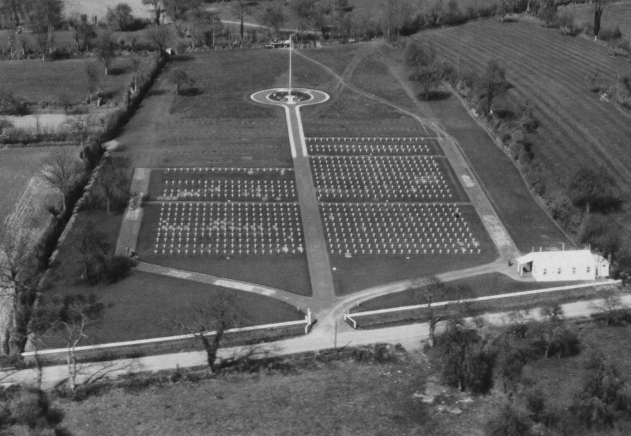
Plot A
Plot B
Plot D
Plot C
Plot E
Rows => |  | 1 | 2 | 3 | 4 | 5 | 6 | 7 | 8 | 9 | 10 | Rows => |  | 1 | 2 | 3 | 4 | 5 | 6 | 7 | 8 | 9 | 10
Graves => PLOT B | 20 | VETTER | FRIGIANO | EASON | KAYL | AGIN | CODDINGTON | SCRIMSHAW | WILSON Jr. | RICHWALSKI | TAYLOR Jr. | Graves => PLOT D | 20 | COLLINS | MUNSEY |  | LEE |  |  | GEORGESON
 | 19 | MANCHIK | ZARGER | WATSON | JOHNSON | HAMILTON | X-40 | ROSIER | WHITING | JOHNSON | LOTHERY |  | 19 | ROHRER | YEARLING |  | LOWRY |  |  | COUEY
 | 18 | GOFF | HANCOCK | SOCZAWA | SMALLWOOD | PETTIJOHN | REIMER | BRUSBERG | SCOTT | SPIKER | KACZKA |  | 18 | REEVES | COLEMAN |  | CARNIGLIA |  |  | MASTRONARDI
 | 17 | THONE | ESQUEDA | JOHNSTON | DOLAN | CHASE | TIDWELL | FOOTE | MORELAND | POLYAK | BEVAN |  | 17 | BAECKER | GAPETANAKIS | SMITH | MEADOWS |  |  | JORGENSEN
 | 16 | SPURLOCK | BAKKUM | NORDLIE | BERGSTROM | SCHOPMANN | RASTETTER | PLATE | PEARCE | LEWIS Sr. | STRACHER |  | 16 | JOHNSON | X-54 | X-75 (Consolidated) | MOORE |  |  | GLUHAN
 | 15 | FRINK | ZENS | PLANSKY | VOLPE | LEJEUNE | WRAY | COLE | DOWNS | TWEDTEN | RUSSO |  | 15 | WEINER | X-53 | GONSER | MILLER |  |  | WEISS
 | 14 | NOWAK | HUNT | DUKE | DALY (LTC) | LINDEN | KLEINMAN | McDERMOTT | ELLIS | EMME | X-20 |  | 14 | STEPHAN | KIDD | THOMPSON | GROSS Jr. |  |  | BALCAR
 | 13 | HERNANDEZ | KOZLOWSKI | ZINTAK | GRAVES | VOELKER | THOMAS | BATES | GALASSI | BERLINE | REYNOLDS |  | 13 | GARDNER | VAN DOORNE | ZIELINSKI | PITTMAN |  |  | ARENSON
 | 12 | CHASSE | KESSLER | RODERICK Jr. | SAXON | CICARELLI | NISSEN | LOUIE | CARINCI | WALTERS | GAINES |  | 12 | MAMULA | HINGER | X-70 (Consolidated) | DEERING |  |  | GRINER
 | 11 | FULTZ | CROSBY | TIENCKEN Jr. | BURNESS | HOLLIDAY | KINSER | SEYMOUR | WEINSTEIN | KOLLATH | PEURA |  | 11 | ZEPEDA | HARRIS | COFFEY | DONATO |  |  | KUHFAHL
 | 10 | KORN | RYAN | GAUGHAN | BARBER | RUSHTON Jr. | VOGHEL | FOWLER | ZAMOJCIN | LEAKE | PAGE |  | 10 | RAMIREZ | CURRY | ELDERS | SCANDARIATO |  |  | FLAVELL
 | 9 | REMENTER | DOAN | DEWALD | FUENTES | STEVENS | NAPPER | VANACOUR | BROWN | TRONICK | LARRS |  | 9 | WILLIAMSON | COTNER | GEHRET | KUENTZEL |  |  | LACKOVIC
 | 8 | BOWERS | PEARSON | BARBER | WHITEHEAD | HEROLD | GRENKE | CUSKER | FALEVSKY | CALLIES | KORMONICK |  | 8 | MARCUS | PINKERTON | KLUESS | KLIMEK |  |  | MURPHY
 | 7 | KRAMER | KRON | SPENCER | STANISH | GARDNER | DAVIS | JACKSON | WAUGH | MUSGROVE Jr. | STEPHENSON |  | 7 | BARRON | MONTAG | BIBB | GLEASON |  |  | FRAZIER
 | 6 | WEEKS | TAUBE | WILLS | KING | DUNHAM | STASNEK | LINDELL | LIPSKY | GEOSLING | HART |  | 6 | DEANE | RHIND | ZEMKE | BREWER |  |  | HUTCHINSON
 | 5 | TEMPLE | JAKUBCZAK | NOLL | MARTENS | DOVER | O'CONNOR Jr | OZINKOWSKI | ADAMS | DECAMP | OTLEWSKI |  | 5 | DRAKE Jr. | KRAUSE | JONES | RATCHMERIC |  |  | ROSENBLATT
 | 4 | FRANEY (or EDWARD) | LOCKHART | SALGADO | KATO | LORENZ | SEARS | ZUPIC Jr. | NORRIS | ODABACHIAN | BARRON |  | 4 | OLSON | BYRD | FURR | RAPALADICS |  |  | ORTEGA
 | 3 | PATTERSON | GRINER | FREELAND | WRAY | LALONDE | SCHNOBRICH | KNIGHT | WEXLER | DE JAYNES | SIMPSON |  | 3 | WEEKS | TAYLOR | JORDAN Jr. | LARNARD |  |  | GEORGE
 | 2 | HENDRICKSON Jr. | KEE | MINER | BIGGS | VALDEZ | CLELAND | SMITH | REED | PORTER | HENRY |  | 2 | GEYER | BUCHANAN Jr. | BUNDE | MIDDLETON |  |  | KING
 | 1 | LINK | BEESE | LARSON | BOVY | SINGER | GIERSE | FRICANO | FISHER | CLARK | STODDARD |  | 1 | RUBENACKER | FISH | RAMSEY | GILLIES |  |  | SMITH

Rows => |  | 1 | 2 | 3 | 4 | 5 | 6 | 7 | 8 | 9 | 10 | Rows => |  | 1 | 2 | 3 | 4 | 5 | 6 | 7 | 8 | 9 | 10 | Rows => |  | 1 | 2 | 3 | 4 | 5 | 6 | 7 | 8 | 9 | 10
Graves => PLOT A | 20 | TADYCH | LASKOWSKI | BEEBE | HIBBARD Jr. | GRAY | WELLS | WILKINS | HOLFELNER | SELF | CHAUFTY | Graves => PLOT C | 20 | BEITING | HAGGARD | PARKHORST | SMITH | MINOR | HAYES | JOYCE | WILKERSON | PIOJDA | DUDICK | Graves => PLOT E | 20 | JOYNER | MYERS |  | LYNN
 | 19 | PRITCHETT | JARRETT | KLIMALA | CARVER | GRIFFIN | MORAN | POCIVASEK | PASTOR | SAPPINGTON | WISSING Jr. |  | 19 | GIBSON | BEHNKE Jr. | McTIGUE | RUFFNER | HOLZWORTH | GARRETT | COOPER | McMAHON | McFADDEN | SADUSKY |  | 19 | TITSCHINGER | BEAUDRY |  | LOTT
 | 18 | BOWMAN | GALYEN | WEAVER | CORN | CARDER | GORDON | GARCIA | SALAZAR | WOOLSEY | RUIZ |  | 18 | SMITH | LUCAS | FLOYD | ADAMS | LAMLEIN | FREEBOROUGH | FRAZIE(-R-) | HARRIS | GRAPER | NAVE |  | 18 | HELTON | GEHR |  | ROLES
 | 17 | PELLEGRINO | YOUNG | DEBESIS | PONDER Jr. | DAVIES | CLINE | MARCH | CLARK | BARTELS | COX |  | 17 | GRIMSLEY | MATUSACK | COOK | DE LOS REYES | BARBER | VAN DYKE Jr. | ZULEGER | BARRETT | CONDIT | HORMANN |  | 17 | HAMRICK Jr. | HUGULEY |  | HERRMANN
 | 16 | GRUWELL Jr. | THOMPSON | McKEE | DANIELS | LEE | FREBURG | MADSEN | McALLISTER | MAZZOLA | X-6 |  | 16 | MIZENKO | CRUSE | JOLICOEUR | TOMASULO | HELFEN | GREVE | MILLER | HARVEY | SCHAFFROTH | FLOREN |  | 16 | TRAVIS | BROWN |  | OSHOP
 | 15 | SYKES | HORTON | JENKINS Jr. | SHORTSLEEVE | SCOTT | COULSON | ABBOTT | DUKE | BOYD | McCALL |  | 15 | HOLDER | BUTTORFF | HARYN | DIXON | HILLMAN | WEEKS | KORNBLUM | McAFEE | KLOSE | FALLS Jr. |  | 15 | NELSON | WEBER |  | WILLIAMS
 | 14 | DE SILVA | ROACH | ENDRIZZI | THORLEY | KLECZKOWSKI | LECLAIR | HOLLER | HORGAN | STIRMAN | ROWE Jr. |  | 14 | MEISS | TRITTEN | RIDDLE | OLESKIEWICZ | DOUBLEMONT | LEON | D'ANTONIO | BAILEY | SKORUPSKI | JEHLIK |  | 14 | KILPATRICK | MORIARTY |  | JONES
 | 13 | SANTORO | FERKETICH | BUCKELEW | STODDARD | SUHR | ZILLA | PARKINSON | CHILDRESS | EWING | FETCIE |  | 13 | DANIELS | TRAMEL | AIBURY | RUSSO | BARNES | YATES | BRACEY | HAYNES | WARRINER | NELSON |  | 13 | PUCCINI | CONNELLY |  | RYDENSKI
 | 12 | STROUP | BAROMICH | KERR | WEIKEL | CHADD | PAPA | OLSON | BENITEZ | NEWBERRY | RYAN |  | 12 | BENDER Jr. | HARRISON | PIKEY | HALL | GALSCHODT | BRYNAERT | VINES | GOULKO | HILL Jr. | KINMAN |  | 12 | SWENIG | TIBBITTS |  | STALNAKER
 | 11 | CZAJKA | SCHWEIGER | DEYOUNG | MOULTON | GIAMALVA | LANE | LEWAKOWSKI | McCOY | SMITH | BOLLICH |  | 11 | ADAMCZYK | SUMMER | HALL | ARSENAULT | ALSAKER | MONAGHAN Jr. | WINGERTER | PARRA | WEAVER |  |  | 11 | WILLIAMS | BARRY Jr. |  | GALVIN
 | 10 | KUMPOST | AVVEDUTO | PATTERSON | MOODY | MENA | SCHELL | MESSER | THORSTENSEN | HABIT Jr. | DEAN |  | 10 | HUDSON | AIRGOOD | VALENZUELA | DOLBEE | CARNAHAN | LARUFFA Jr. | GROUP BURIAL | WINDSOR | HANSEN | CAMERESI |  | 10 | DECKER | RENDON |  | HAVA
 | 9 | SZEWCZYK | KEPLER | McIVOR | MOSSO | DRESSLER | MYERS | CONROY | FRANTZ | TIPTON | SEDLOWSKY |  | 9 | KENNEDY | VARGO | ZIMMERMAN | DOUGLAS | BULLOCK | EGAS | BROUGH | JARDING | WELCH | FRANCH |  | 9 | FULLER | FRENCH |  | RENTERIA
 | 8 | CLARKE | CAMILLO | KNUDSEN | GROSS | ZIOLKOWSKI | SHANNON | MILLER | WHITE | ESPOSITO | MIKOSKY |  | 8 | GOODSHIELD | SHAPIRO | WOODWORTH | WASHABAUGH | MARTINEZ | FOSTER | GROUP BURIAL | DOMBROSKI | ZIMMERMAN | PECK |  | 8 | ADAMS | WEBSTER |  | RICHARDSON
 | 7 | LYNCH | MELENDY | DEBELAK | KEELER | RUSSELL | WATKINS | FAITH | JUNO | GOLINSKI | HARTMAN |  | 7 | GUIDRY Jr. | MILLER | COLE | CHAMBLISS Jr. | HOLT | MASS BURIAL | FITZPATRICK | LYERLA | BAIRD | STEVENS |  | 7 | PATTERSON | ABRUZZO |  | MAROSZEK
 | 6 | GROSSO | TURNER | PREDER | BRIER | MILLER | ROMANO | HENAIRE | KOPF | GARDNER | McGINNIS |  | 6 | KOEPL | GREGORY Jr. | AYERS | FERREIRA | ANDERSON | GROUP BURIAL | PHILLIPS | REDESCALDI | SHELTON | JEWELL |  | 6 | JORDAN | BAKER |  | LENZI
 | 5 | PFENNINGER | WERDERITSCH | OLCESE | ERICKSON | RAPSON | AXELROD | EISENBERGER | DZENDZERA | PATE | WILSON |  | 5 | WILLIAMS | FLORIAN | SMITH | MOORE | DERR | GROUP BURIAL | GREENE | MYERS | JONES | AMBROSE |  | 5 | MANHAL | PIPIA |  | CARRATHER
 | 4 | HUTCHINS | KOTSOKOS | PINKARD | GARDNER Jr. | WILSON | McMURRAY | BACKUS | LOPEZ | PILZ | CHISM |  | 4 | OLSON | DEEM | BRETT | BUTKOWSKI | X-18 | SPEARS | RONKAINEN | COLGAN | HUREWITZ | BANKS |  | 4 | HAWKS | ORTEGA |  | KAMEDULSKI
 | 3 | MARTIN |  | GONAS | HUPP | HENDRICKS | MALKO | BOLAND | ARPS | BREWER | TRIPLETT |  | 3 | PRICE | LELO Jr. | GAWRONSKI | SENESAC | PETERSON | TURNER | CAMPBELL | PYLE | HOLLENBERRY | JACK |  | 3 | KURIS Jr. | SANTOMAS |  | HILL
 | 2 | LEGAULT | ABATO | WIEGAND | MEAD | DAUPHIN | LANGLEY | BRAGG | ZUVER | LOVITT | BOOHER |  | 2 | VESTAL | GROVER | ROGERS | BOYER | POWERS | NETTING | GODDARD | JAHRMARKT | MARLOW | ROSENBERG |  | 2 | BROOKS | ROBERTS |  | ENGDAL
 | 1 | WARREN | SPOTO Jr. | BADDICK | JONES | MOORE | THOMPSON | HUNTER | ARNETH | RICHTER | SMITH |  | 1 | NELSON | RAISCH | HOLLAR | APPLEGATE | STACHOWIAK | FISH | HARRISON | NATIONS | MADDEN | BAILEY |  | 1 | WALKER Jr. | DE HAVEN |  | MONTOYA

